Instructions
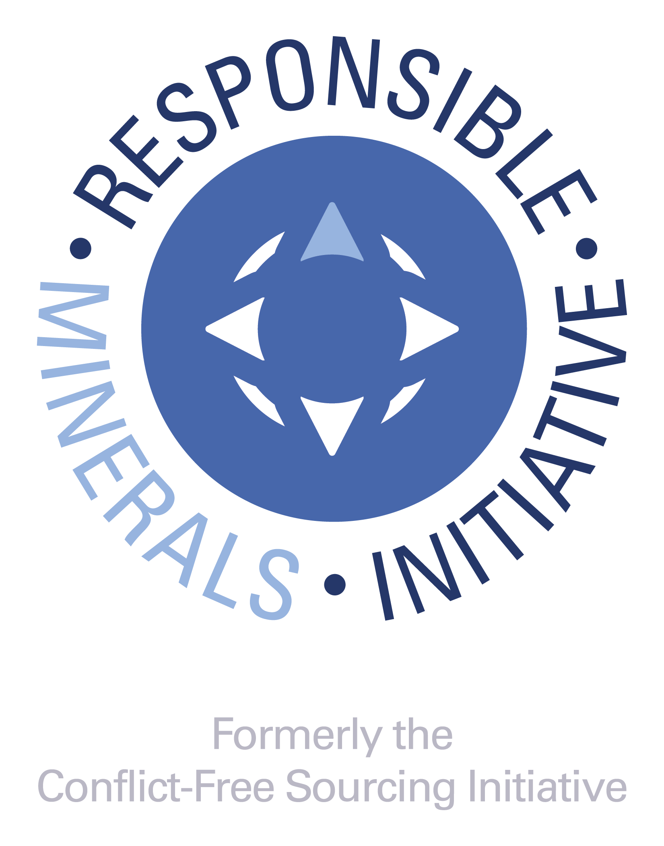 RMI:www.responsiblemineralsinitiative.org/
Introduction
This Cobalt Reporting Template (CRT) is a free, standardized reporting template created by the Responsible Minerals Initiative® (RMI®). The Template facilitates the transfer of information through the supply chain regarding mineral country of origin and smelters and refiners being utilized and supports the exercise of due diligence in accordance with the OECD Due Diligence Guidance for Responsible Supply Chains of Minerals from Conflict-Affected and High-Risk Areas. The template also facilitates the identification of new smelters and refiners to potentially undergo an audit via the Responsible Minerals Assurance Process. The CRT was designed for downstream companies to disclose information about their supply chains up to but not including the smelter. If you are a smelter or refiner, we recommend you enter your own name in the smelter list tab. When filling out the form, none of the cell entries should start with "=" or "#."

Instructions for completing Company Information questions (rows 8 - 22). Provide comments in ENGLISH only
Note: Entries with (*) are mandatory fields.
1. Insert your company's Legal Name. Please do not use abbreviations. In this field you have the option to add other commercial names, DBAs, etc. This field is mandatory.
2. Select your company's Declaration Scope. The options for scope are: A. Company-wide B. Product (or List of Products) C. User-Defined For "Company-wide", the declaration encompasses the entirety of a company's products or product substances produced by the parent company. Therefore if the user is reporting cobalt data at the company level, they will be reporting data on all products they manufacture. For Scope selection of Product (or List of Products), a link to the worksheet tab for Product List will be displayed. If this scope is chosen, it is mandatory to list the Manufacturer's Product Number of the products covered under the Scope of this Declaration in Column B of the Product List worksheet. It is optional to list the Manufacturer's Product Name in Column C of the Product List worksheet. For Scope selection of "User Defined", it is mandatory that the user describes the scope to which the cobalt disclosure is applicable. The scope of this class shall be defined in a text field by the supplier and should be easily understood by customers or the receivers of the document. As an example, companies may provide a link to clarifying information. This field is mandatory.
3. Insert your company’s unique identifier number or code (DUNS number, VAT number, customer-specific identifier, etc.)
4. Insert the source for the unique identifier number or code ("DUNS", "VAT", "Customer", etc).
5. Insert your full company address (street, city, state, country, postal code). This field is optional.
6. Insert the name of the person to contact regarding the contents of the declaration information. This field is mandatory.
7. Insert the email address of the contact person. If an email address is not available, state "not available" or "n/A". A blank field may cause an error in form implementation. This field is mandatory.
8. Insert the telephone number for the contact. This field is mandatory.
9. Insert the name of the person who is responsible for the contents of the declaration information. The authorizer may be a different individual than the contact person. It is not correct to use the words ‘‘same’’ or similar identification to provide the name of the authorizer. This field is mandatory.
10. Insert the title for the Authorizing person. This field is optional.
11. Insert the email address of the Authorizing person. If an email address is not available, state ‘‘not available’’ or ‘‘n/a.’’ A blank field may cause an error in form implementation. This field is mandatory.
12. Insert the telephone number for the Authorizing person. This field is optional.
13. Please enter the Date of Completion for this form using the format DD-MMM-YYYY. This field is mandatory.
14. As an example, the user may save the file name as: companyname-date.xlsx (date as YYYY-MM-DD).

Instructions for completing the six Declaration of Scope Questions (rows 24 - 56). Provide answers in ENGLISH only
These six questions define the usage, origination and sourcing identification for cobalt. The questions are designed to collect information about the use of cobalt in the company’s product(s) and the completeness of reporting. Responses to these questions shall represent the ‘Declaration Scope’ selected in the company information section.
Provide comments in the Comment sections as required to clarify your responses.
Provide an answer using the pull down menu selections. If the response for cobalt to question 1 is positive, then all questions shall be completed for cobalt and the following due diligence questions (A to I) shall be completed about the company’s overall due diligence program.
1. This question is used to determine whether cobalt is within the scope of the reporting requirement. The response to this question serves to exclude any trace-level contaminants or naturally-occurring by-products. This question asks if any cobalt is used as raw material, component or additive in a product that you manufacture, including compounds. Impurities from raw materials, components, additives, abrasives, and cutting tools are outside the scope of the survey. The answer to this question shall be either "yes" "no" or "unknown."
Some companies may require substantiation for a "No" answer that should be entered into the Comment Field.
2. This is a declaration that any portion of the cobalt contained in a product or multiple products originates from a conflict-affected and high-risk area (CAHRA). The answer to this question should be "yes" if any smelter in the supply chain sources from a CAHRA, regardless of whether such a smelter has been independently audited or not. The answers to this question shall be "yes," "no," "unknown," or "DRC or adjoining countries only." Substantiate a "Yes" answer in the comments section. An answer of "unknown" is an acceptable response. This question is mandatory for cobalt if the response to Question 1 is "Yes."
3. This is a declaration that identifies whether cobalt contained in the product(s) originate exclusively from recycled or scrap sources. The answer to this question shall be "yes", "no", or "unknown". A "Yes" answer means that 100% of the cobalt comes from recycled or scrap sources. A "No" answer means that some of the raw material does not come from recycled or scrap sources. An "Unknown" answer means that the user does not know whether or not 100% of the raw material comes from recycled or scrap sources. This field is mandatory.
4. This is a question to determine whether a company has received disclosures from all direct suppliers reasonably believed to be providing cobalt contained in the products covered by the scope of this declaration. Permissible responses to this question are: ­ 100% ­ Greater than 90% ­ Greater than 75% - Greater than 50% - 50% or less - None This field is mandatory.
5. This question verifies if the supplier has reason to believe they have identified all of the smelters providing cobalt in the products covered by this declaration. The answer to this question shall be "Yes" "No" or "unknown", along with a comment in certain cases, e.g. list of smelters. This field is mandatory.
6. This question verifies that all of the smelters identified to be providing any of the cobalt contained in the products covered by the scope of this declaration have been reported in this declaration. The answer to this question shall be "yes" "no" or "unknown" along with a comment in certain cases, e.g. list of smelters. This question is mandatory for cobalt if the response to Question 1 is “Yes” for cobalt.

Instructions for completing Questions A. – I. (rows 63 - 79). Questions A. through I. are mandatory if the response to Question 1 is “Yes” for cobalt. Provide answers in ENGLISH only.
The OECD Due Diligence Guidance for Responsible Supply Chains of Minerals from Conflict-affected and High-risk Areas (OECD Guidance) defines “Due Diligence” as “an on-going, proactive and reactive process through which companies can ensure that they respect human rights and do not contribute to conflict”. More information is available at http://www.responsiblemineralsinitiative.org/training-and-resources/conflict-affected-and-high-risk-areas/. Questions A. thru I. are designed to assess your company’s cobalt sourcing due diligence activities. Responses to these questions shall represent the full scope of your company’s activities and shall not be limited to the ‘Declaration Scope’ selected in the company information section.
A. This is a declaration to disclose whether a company has a publicly available cobalt sourcing policy. The answer to this question shall be "yes" or "no." If "Yes" the user shall specify the URL in a question comment field. This field is mandatory.
...

